Sheet1
 |  |  |  |  |  | Command check list
 |  |  |  |  |  | 1.General Command
 |  |  |  |  |  |  | SC:5140 VP:5139 software：005
Pass | Fail | State |  |  |  | Command | Feedback
✅ | ❌ | ✅ |  | Test Mode | Starting Test Mode | 682_eol_cli_02_005.exe -f test -p 1 -x nfc -c COM13 682_eol_cli_02_005.exe -f test -p 1 -x uart -c COM9 Require TestMode：NO
 |  | ✅ |  |  | Stopping Test Mode | 682_eol_cli_02_005.exe -f test -p 0 -x nfc -c COM13 682_eol_cli_02_005.exe -f test -p 0 -x uart -c COM9 Require TestMode：NO
 |  | ✅ |  | Getting Software Version |  | 682_eol_cli_02_005.exe -f version -t 0 -x nfc -c COM9 682_eol_cli_02_005.exe -f version -t 0 -x uart -c COM9 Require TestMode：NO
 |  | ✅ |  | Get Release String |  | 682_eol_cli_02_005.exe -f version -t 1 -x nfc -c COM7 682_eol_cli_02_005.exe -f version -t 1 -x uart -c COM9 Require TestMode：NO
 |  | ✅ |  | Get Hardware Version String |  | 682_eol_cli_02_005.exe -f version -t 3 -x nfc -c COM9 682_eol_cli_02_005.exe -f version -t 3 -x uart -c COM9 Require TestMode：NO
 |  | ✅ |  | Brush Motor Test | Starting Brush Motor | 682_eol_cli_02_005.exe -f brush -p 1 -x uart -c COM9 Require TestMode：YES
 |  | ✅ |  |  |  | 682_eol_cli_02_005.exe -f brush -p 2 -x uart -c COM9 Require TestMode：YES
 |  | ✅ |  |  |  | 682_eol_cli_02_005.exe -f brush -p 3 -x uart -c COM9 Require TestMode：YES
 |  | ✅ |  |  | Stopping Brush Motor | 682_eol_cli_02_005.exe -f brush -p 0 -x uart -c COM9 Require TestMode：YES
 |  | ✅ |  | Pump Motor Test | Starting Pump Motor | 682_eol_cli_02_005.exe -f pump -p 1 -x uart -c COM9 Require TestMode：YES
 |  | ✅ |  |  | Stopping Pump Motor | 682_eol_cli_02_005.exe -f pump -p 0 -x uart -c COM9 Require TestMode：YES
 |  | ❌ | 向客户确认过们这两个先不试 | NFC Test | Start NFC Test | 682_eol_cli_02_005.exe -f nfc -t 0 -x nfc -c COM13 Require TestMode：NO
 |  | ✅ |  |  | Stop NFC Test | 682_eol_cli_02_005.exe -f nfc -t 1 -x nfc -c COM13 Require TestMode：NO
 |  | ✅ |  | SC Led Test | Starting LED Test (GTA rig) | 682_eol_cli_02_005.exe -f led -p 1 -x uart -c COM9 Require TestMode：YES
 |  | ✅ |  |  | Starting LED Test (*SD Proto rig) | 682_eol_cli_02_005.exe -f led -p 2 -x uart -c COM9 Require TestMode：YES
 |  | ✅ |  | Enable Flash LED |  | 682_eol_cli_02_005.exe -f flash_led -p 1 -x uart -c COM9 Require TestMode：YES
 |  | ✅ |  | Disable Flash LED |  | 682_eol_cli_02_005.exe -f flash_led -p 0 -x uart -c COM9 Require TestMode：YES
 |  | ✅ |  | Tune Flash LED brightness |  | 682_eol_cli_02_005.exe -f flash_led_brightness -p 0 6 -x uart -c COM9 Require TestMode：YES
 |  | ✅ |  | Read Fault GPIO |  | 682_eol_cli_02_005.exe -f flash_led -p 2 -x uart -c COM9 Require TestMode：YES
 |  | ✅ |  | Camera Test | Start camera | 682_eol_cli_02_005.exe -f camera -p 1 -x uart -c COM9 Require TestMode：YES
 |  | ❌ | Need 8p FPC for the VP Flashing |  | Get one image | 682_eol_cli_02_005.exe -f camera -p2 -x uart -c COM9 Require TestMode：YES 问题:未获取到图片，
 |  | ✅ |  |  | Stop camera | 682_eol_cli_02_005.exe -f camera -p 0 -x uart -c COM9 Require TestMode：YES
 |  | ❌ | Need to upgrade VP software |  | Camera calibration | 682_eol_cli_02_005.exe -f camera_calibration -i <full_path/to/file.raw>
 |  | ❌ | wait new SC FW from Dyson | Button Test | Start Button Test | 682_eol_cli_02_005.exe -f button -p 1 -x uart -c COM9 Require TestMode：YES
 |  | ❌ | wait new SC FW from Dyson |  | Query numb er of times button has been pressed | 682_eol_cli_02_005.exe -f button -p 2 -x uart -c COM9 Require TestMode：YES
 |  | ❌ | wait new SC FW from Dyson |  | Stop Button Test | 682_eol_cli_02_005.exe -f button -p 0 -x uart -c COM9 Require TestMode：YES
 |  | ❌ |  |  | Provision EOL bundle into the rig | 682_eol_cli_02_005.exe -f eol_provision -i "/C/X682/eol_bundle_set.csv" -x uart -c COM9 Require TestMode：NO 问题:EOL provisioning failed Command failed （进入和不进入TestMode报错相同）
 |  |  |  |  |  | 按照文档输入后缀 指令:682_eol_cli_02_005.exe -f eol_provision -i "/C/X682/eol_bundle_set.csv" -s 9 (进入和不进入TestMode均无返回)
 |  | ✅ |  | Getting ADC data single time | Getting a single reading of the ADC value | 682_eol_cli_02_005.exe -f sc_adc -p 0 -x uart -c COM9 Require TestMode：YES
 |  | ✅ |  |  |  | 682_eol_cli_02_005.exe -f sc_adc -p 1 -x uart -c COM9 Require TestMode：YES
 |  | ✅ |  |  |  | 682_eol_cli_02_005.exe -f sc_adc -p 2 -x uart -c COM9 Require TestMode：YES
 |  | ✅ |  |  |  | 682_eol_cli_02_005.exe -f sc_adc -p 3 -x uart -c COM9 Require TestMode：YES
 |  | ✅ |  |  |  | 682_eol_cli_02_005.exe -f sc_adc -p 4 -x uart -c COM9 Require TestMode：YES
 |  | ✅ |  |  |  | 682_eol_cli_02_005.exe -f sc_adc -p 5 -x uart -c COM9 Require TestMode：YES
 |  | ✅ |  | ADC Data Streaming | ADC Data Streaming | 682_eol_cli_02_005.exe -f adc_stream -t 0 -ihardwareID0 -x uart -c COM9 Require TestMode：YES
 |  | ✅ |  |  |  | 682_eol_cli_02_005.exe -f adc_stream -t 1 -ihardwareID1 -x uart -c COM9 Require TestMode：YES
 |  | ✅ |  |  |  | 682_eol_cli_02_005.exe -f adc_stream -t 2 -ihardwareID2 -x uart -c COM9 Require TestMode：YES
 |  | ✅ |  |  |  | 682_eol_cli_02_005.exe -f adc_stream -t 3 -ihardwareID3 -x uart -c COM9 Require TestMode：YES
 |  | ✅ |  |  |  | 682_eol_cli_02_005.exe -f adc_stream -t 4 -ihardwareID4 -x uart -c COM9 Require TestMode：YES
 |  | ✅ |  |  |  | 682_eol_cli_02_005.exe -f adc_stream -t 5 -ihardwareID5 -x uart -c COM9 Require TestMode：YES
 |  | ❌ |  | Overpressure Sensor Calibration | Overpressure Sensor Calibration | 682_eol_cli_02_005.exe -f overpressure_calibration -p 0 -x uart -c COM9 Require TestMode：YES
 | I | ✅ |  | SC IMU Data Streaming | SC IMU Data Streaming | 682_eol_cli_02_005.exe -f sc_imu -t 0 -iscimu -x uart -c COM9 Require TestMode：YES
 |  | ✅ |  | Battery | Query battery data | 682_eol_cli_02_005.exe -f battery -p 0 -x uart -c COM9 1：充电 0：不充电 Require TestMode：YES
 |  | ✅ |  |  |  | 682_eol_cli_02_005.exe -f battery -p 1 -x uart -c COM9 Require TestMode：YES 55指的是电量
 |  | ✅ |  |  |  | 682_eol_cli_02_005.exe -f battery -p 2 -x uart -c COM9 Require TestMode：YES
 |  | ✅ |  |  |  | 682_eol_cli_02_005.exe -f battery -p 3 -x uart -c COM9 Require TestMode：YES
 |  | ✅ |  |  |  | 指令:682_eol_cli_02_005.exe -f battery -p 4 -x uart -c COM9 Require TestMode：YES
 |  | ✅ |  | Software Reset | Software reset both VP and SC | 682_eol_cli_02_005.exe -f reset -x uart -c COM9 Require TestMode：NO
 |  | ❌ |  | Enter shipping mode |  | 682_eol_cli_02_005.exe -f shipping -x nfc -c COM7 682_eol_cli_02_005.exe -f shipping -x uart -c COM9
 |  |  |  |  |  | 682_eol_cli_02_005.exe -f emmc -p 0 -x uart -c COM9
 |  |  | VQT | Run image uniformity assessment and tune Flash LED brightness |  | 682_eol_cli_02_005.exe -f vision_quality -i 5FKHB7A6 -x uart -c COM9 | 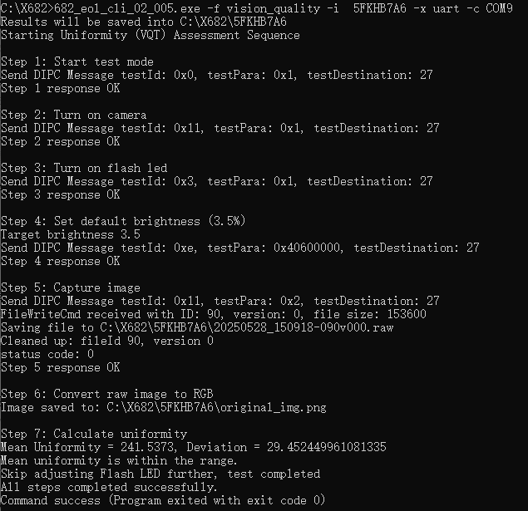
 |  |  |  | Run image internal reflection assessment |  | 682_eol_cli_02_005.exe -f vision_quality -t 1 -i 5FKHB7A6 -x uart -c COM9 | 